Guidance
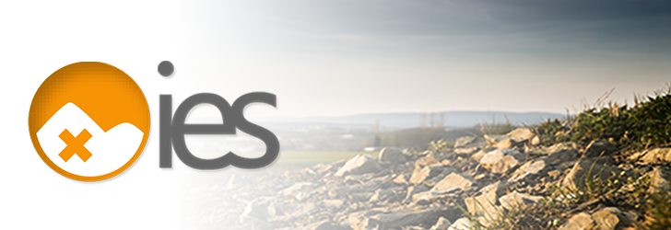

Using this Excel signposting resource

This resource has been developed by the Institution of Environmental Sciences' (IES) Land Condition Community. The resource provides information on key organisations relevant to those working in Land Condition. It is designed to act as a signposting resource for those looking for more information and to complement existing resources in this space, such as the CL:AIRE WALL.

The purpose of the resource is to provide an initial point of assistance for Land Condition practitioners, of all levels of experience, to locate key information sources across a broad range of topic areas relevant to the Land Condition sector. The resource focuses on highlighting information sources in key areas related to Land Condition, providing a starting point for accessing relevant resources, networks and guidance. This resource should be used in tandem with existing data sources.

The resource has been structured around the following key information types:
Type of resource:
Forum
Government & Regulation
International organisations
Journals
News
NFPO
Professional & Trade Organisations
Public body
Research organisation
Tools & Technical Standards
Practice use of resource:
This field provides a brief description/narrative for how land condition professionals can practically use this resource in their work.
Keywords:
A number of searchable keywords are used to assist the user in finding relevant resources. You can search for these using the search box at the top of the spreadsheet. Please note that this search box only searchs in the keyword column and the Control F function should be used to search the entire resource.
Other information:
Hyperlink to resource
Location - the region in which the resource is focussed (i.e. England, Northern Ireland, Scotland, Wales, Europe, International)
Access requirements - how the resource can be accessed (i.e. open access, membership options, pay to access)

Providing feedback:
Updates and reviews
This resource will be updated and reviewed on a rolling basis. We welcome additions and comments to the resource and would encourage you to get in touch if you feel there is something missing. This is a new initiative and the IES actively welcomes feedback from users and relevant stakeholders to enhance it. Please provide feedback to Ethny Childs, Communities & Partnership Lead at the IES at ethny@the-ies.org.

